Sheet1
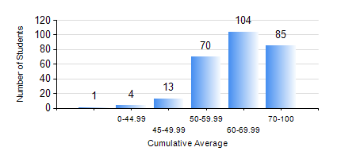
 |  |  | KWAME NKRUMAH UNIVERSITY OF SCIENCE AND TECHNOLOGY, KUMASI Department of Petroleum Engineering

 |  |  | BSC. PETROLEUM ENG.

 |  |  | COMPREHENSIVE RECORD OF EXAMINATION RESULTS

 |  |  | RESULTS OF YEAR 1 SECOND SEMESTER, 2020/2021 ACADEMIC YEAR

 | Sn | Course Code |  | Course Name | Credit Hours | Min. Mark | Max. Mark | Avg. Mark | Std. Dev. | No. Passed | No. Trailed | No. (Df) | No. (I) | No. (I*) | No. Tagged(I,I*,Df) | Total
 | 0. |  |  |  |  |  |  | 0 | 0 | 0 | 0 | 0 | 0 | 0 | 0 | 2
 | 1. | EE 152 |  | BASIC ELECTRONICS | 2 | 5 | 87 | 58 | 12.39 | 266 | 8 | 0 | 1 | 0 | 1 | 275
 | 2. | ENGL 158 |  | COMMUNICATION SKILLS II | 2 | 10 | 87 | 66 | 9.94 | 271 | 3 | 0 | 1 | 0 | 1 | 275
 | 3. | MATH 152 |  | MATHEMATICS II | 4 | 6 | 94 | 63 | 12.48 | 270 | 4 | 0 | 1 | 0 | 1 | 275
 | 4. | ME 162 |  | BASIC MECHANICS | 3 | 10 | 96 | 72 | 14.64 | 272 | 2 | 0 | 1 | 0 | 1 | 275
 | 5. | PE 154 |  | INTRODUCTION TO PETROLEUM ENGINEERING | 2 | 15 | 87 | 68 | 8.48 | 273 | 1 | 0 | 1 | 0 | 1 | 275
 | 6. | PE 156 |  | PHYSICAL CHEMISTRY FOR ENGINEERS | 2 | 6 | 95 | 60 | 14.41 | 270 | 4 | 0 | 1 | 0 | 1 | 275
 | 7. | PHY 170 |  | GENERAL PHYSICS | 3 | 8 | 91 | 62 | 15.16 | 252 | 22 | 0 | 1 | 0 | 1 | 275

